IRON 120.2 40-45
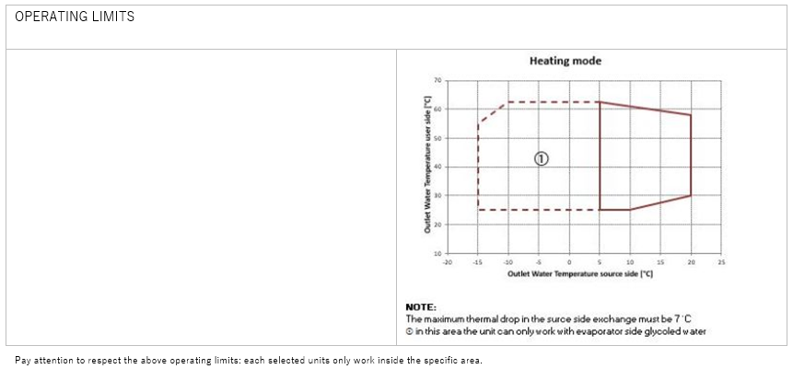
HEATING MODE
HEAT EXCHANGER SOURCE SIDE
Type | Unit | BPE
Fluid Inlet Temperature | °C | 4
Fluid Outlet Temperature | °C | 0
Fluid type | - | Eth. gly.
Glycol | % | 30.00%
Fouling Factor | m²K/kW | 0
Water flow | m³/h | 18.88
Pressure drops | kPa | 15.1
HEAT EXCHANGER USER SIDE
Type | Unit | BPE
Fluid Inlet Temperature | °C | 40
Fluid Outlet Temperature | °C | 45
Fluid type | - | Water
Glycol | % | -
Fouling Factor | m²K/kW | 0
Water flow | m³/h | 18.54
Pressure drops | kPa | 12.5
HEATING - EN 14511-2022
Heating Capacity | kW | 107
Total power input | kW | 28
COP | W/W | 3.82
SCOP LT(B0)/MT(B1) | W/W | -/4.72
hs,h LT(B0)/MT(B1) | % | -/181
COOLING MODE
HEAT EXCHANGER SOURCE SIDE
Type | Unit | BPE
Fluid Inlet Temperature | °C | 30
Fluid Outlet Temperature | °C | 35
Fluid type | - | Water
Glycol | % | -
Fouling Factor | m²K/kW | 0
Water flow | m³/h | 23.64
Pressure drops | kPa | 31.8
HEAT EXCHANGER USER SIDE
Type | Unit | BPE
Fluid Inlet Temperature | °C | 12
Fluid Outlet Temperature | °C | 7
Fluid type | - | Eth. gly.
Glycol | % | 30.00%
Fouling Factor | m²K/kW | 0
Water flow | m³/h | 21.05
Pressure drops | kPa | 17.3
COOLING - EN 14511-2022
Cooling capacity | kW | 111
Total power input | kW | 26.5
EER | W/W | 4.19
SEER(B2) | W/W | 6.19
hs,c(B2) | % | 240
SEPR(B3) | W/W | 8.8
COMPRESSORS
Compressors Type | Unit | Reciprocating
Compressors Number | N° | 2
N° Circuits | N° | 2
Refrigerant | - | R290
Capacity Steps | - | 4
Refrigerant Charge | kg | 6.4
Max Absorbed Power | kW | 39.1
Max Absorbed Current | A | 73.8
DIMENSIONS
Length | mm | 1832
Width | mm | 1200
N° Height | mm | 1800
Net weight | kg | 0
NOISE DATA
Sound Power Level | dB(A) | 78
Sound Pressure Level [10.0 m] | dB(A) | 46
ELECTRICAL DATA
Power Supply | ph/V/Hz | 3/360-440/50.0
Max Absorbed Power | kW | 39.1
Max Absorbed Current | A | 73.8
Max Inrush Current | A | 155

IRON 120.2 50-55

HEATING MODE
HEAT EXCHANGER SOURCE SIDE
Type | Unit | BPE
Fluid Inlet Temperature | °C | 4
Fluid Outlet Temperature | °C | 0
Fluid type |  | Eth. gly.
Glycol | % | 30.00%
Fouling Factor | m²K/kW | 0
Water flow | m³/h | 16.72
Pressure drops | kPa | 12.2
HEAT EXCHANGER USER SIDE
Type | Unit | BPE
Fluid Inlet Temperature | °C | 50
Fluid Outlet Temperature | °C | 55
Fluid type | - | Water
Glycol | % | -
Fouling Factor | m²K/kW | 0
Water flow | m³/h | 17.5
Pressure drops | kPa | 10.8
HEATING - EN 14511-2022
Heating Capacity | kW | 100
Total power input | kW | 30.6
COP | W/W | 3.27
SCOP LT(B0)/MT(B1) | W/W | -/4.72
hs,h LT(B0)/MT(B1) | % | -/181
COOLING MODE
HEAT EXCHANGER SOURCE SIDE
Type | Unit | BPE
Fluid Inlet Temperature | °C | 30
Fluid Outlet Temperature | °C | 35
Fluid type | - | Water
Glycol | % | -
Fouling Factor | m²K/kW | 0
Water flow | m³/h | 23.64
Pressure drops | kPa | 31.8
HEAT EXCHANGER USER SIDE
Type | Unit | BPE
Fluid Inlet Temperature | °C | 12
Fluid Outlet Temperature | °C | 7
Fluid type |  | Eth. gly.
Glycol | % | 30.00%
Fouling Factor | m²K/kW | 0
Water flow | m³/h | 21.05
Pressure drops | kPa | 17.3
COOLING - EN 14511-2022
Cooling capacity | kW | 111
Total power input | kW | 26.5
EER | W/W | 4.19
SEER(B2) | W/W | 6.19
hs,c(B2) | % | 240
SEPR(B3) | W/W | 8.8
COMPRESSORS
Compressors Type | Unit | Reciprocating
Compressors Number | N° | 2
N° Circuits | N° | 2
Refrigerant | - | R290
Capacity Steps | - | 4
Refrigerant Charge | kg | 6.4
Max Absorbed Power | kW | 39.1
Max Absorbed Current | A | 73.8
DIMENSIONS
Length | mm | 1832
Width | mm | 1200
N° Height | mm | 1800
Net weight | kg | 0
NOISE DATA
Sound Power Level | dB(A) | 78
Sound Pressure Level [10.0 m] | dB(A) | 46
ELECTRICAL DATA
Power Supply | ph/V/Hz | 3/360-440/50.0
Max Absorbed Power | kW | 39.1
Max Absorbed Current | A | 73.8
Max Inrush Current | A | 155

IRON 150.2 40-45
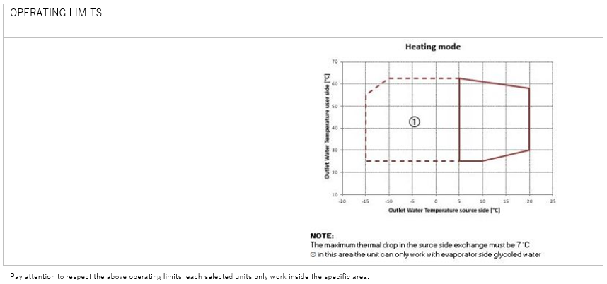
HEATING MODE
HEAT EXCHANGER SOURCE SIDE
Type | Unit | BPE
Fluid Inlet Temperature | °C | 4
Fluid Outlet Temperature | °C | 0
Fluid type | - | Eth. gly.
Glycol | % | 30.00%
Fouling Factor | m²K/kW | 0
Water flow | m³/h | 20.64
Pressure drops | kPa | 18.2
HEAT EXCHANGER USER SIDE
Type | Unit | BPE
Fluid Inlet Temperature | °C | 50
Fluid Outlet Temperature | °C | 55
Fluid type | - | Water
Glycol | % | -
Fouling Factor | m²K/kW | 0
Water flow | m³/h | 21.99
Pressure drops | kPa | 13.2
HEATING - EN 14511-2022
Heating Capacity | kW | 126
Total power input | kW | 40.1
COP | W/W | 3.14
SCOP LT(B0)/MT(B1) | W/W | -/4.48
hs,h LT(B0)/MT(B1) | % | -/171
COOLING MODE
HEAT EXCHANGER SOURCE SIDE
Type | Unit | BPE
Fluid Inlet Temperature | °C | 30
Fluid Outlet Temperature | °C | 35
Fluid type | - | Water
Glycol | % | -
Fouling Factor | m²K/kW | 0
Water flow | m³/h | 28.05
Pressure drops | kPa | 31.8
HEAT EXCHANGER USER SIDE
Type | Unit | BPE
Fluid Inlet Temperature | °C | 12
Fluid Outlet Temperature | °C | 7
Fluid type | - | Eth. gly.
Glycol | % | 30.00%
Fouling Factor | m²K/kW | 0
Water flow | m³/h | 24.7
Pressure drops | kPa | 23.5
COOLING - EN 14511-2022
Cooling capacity | kW | 130
Total power input | kW | 33.1
EER | W/W | 3.93
SEER(B2) | W/W | 5.72
hs,c(B2) | % | 221
SEPR(B3) | W/W | 7.74
COMPRESSORS
Compressors Type | Unit | Reciprocating
Compressors Number | N° | 2
N° Circuits | N° | 2
Refrigerant |  | R290
Capacity Steps | - | 4
Refrigerant Charge | kg | 6.6
Max Absorbed Power | kW | 49.2
Max Absorbed Current | A | 85.6
DIMENSIONS
Length | mm | 1832
Width | mm | 1200
N° Height | mm | 1800
Net weight | kg | 0
NOISE DATA
Sound Power Level | dB(A) | 78
Sound Pressure Level [10.0 m] | dB(A) | 46
ELECTRICAL DATA
Power Supply | ph/V/Hz | 3/360-440/50.0
Max Absorbed Power | kW | 49.2
Max Absorbed Current | A | 85.6
Max Inrush Current | A | 187

IRON 150.2 50-55

HEATING MODE
HEAT EXCHANGER SOURCE SIDE
Type | Unit | BPE
Fluid Inlet Temperature | °C | 4
Fluid Outlet Temperature | °C | 0
Fluid type | - | Eth. gly.
Glycol | % | 30.00%
Fouling Factor | m²K/kW | 0
Water flow | m³/h | 22.87
Pressure drops | kPa | 21.8
HEAT EXCHANGER USER SIDE
Type | Unit | BPE
Fluid Inlet Temperature | °C | 40
Fluid Outlet Temperature | °C | 45
Fluid type | - | Water
Glycol | % | -
Fouling Factor | m²K/kW | 0
Water flow | m³/h | 22.85
Pressure drops | kPa | 14.7
HEATING - EN 14511-2022
Heating Capacity | kW | 132
Total power input | kW | 36.3
COP | W/W | 3.64
SCOP LT(B0)/MT(B1) | W/W | -/4.48
hs,h LT(B0)/MT(B1) | % | -/171
COOLING MODE
HEAT EXCHANGER SOURCE SIDE
Type | Unit | BPE
Fluid Inlet Temperature | °C | 30
Fluid Outlet Temperature | °C | 35
Fluid type | - | Water
Glycol | % | -
Fouling Factor | m²K/kW | 0
Water flow | m³/h | 28.05
Pressure drops | kPa | 31.8
HEAT EXCHANGER USER SIDE
Type | Unit | BPE
Fluid Inlet Temperature | °C | 12
Fluid Outlet Temperature | °C | 7
Fluid type | - | Eth. gly.
Glycol | % | 30.00%
Fouling Factor | m²K/kW | 0
Water flow | m³/h | 24.7
Pressure drops | kPa | 23.5
COOLING - EN 14511-2022
Cooling capacity | kW | 130
Total power input | kW | 33.1
EER | W/W | 3.93
SEER(B2) | W/W | 5.72
hs,c(B2) | % | 221
SEPR(B3) | W/W | 7.74
COMPRESSORS
Compressors Type | Unit | Reciprocating
Compressors Number | N° | 2
N° Circuits | N° | 2
Refrigerant | - | R290
Capacity Steps | - | 4
Refrigerant Charge | kg | 6.6
Max Absorbed Power | kW | 49.2
Max Absorbed Current | A | 85.6
DIMENSIONS
Length | mm | 1832
Width | mm | 1200
N° Height | mm | 1800
Net weight | kg | 0
NOISE DATA
Sound Power Level | dB(A) | 78
Sound Pressure Level [10.0 m] | dB(A) | 46
ELECTRICAL DATA
Power Supply | ph/V/Hz | 3/360-440/50.0
Max Absorbed Power | kW | 49.2
Max Absorbed Current | A | 85.6
Max Inrush Current | A | 187

